CALVIN_KLEIN_
IMAGE | BRAND | GENDER | COLOUR | FABRICS | SIZE |  |  |  |  | WHL PRICE | RETAIL PRICE | TOTALE RRP. PRICE
 |  |  |  |  | S | M | L | XL
 | CALVIN KLEIN JEANS | WOMAN | WHITE | 100% COTTON | 77 | 220 | 60 |  | 357 | 16 | 39.90 € | 14,244.30 €
 | CALVIN KLEIN JEANS | WOMAN | BLACK | 100% COTTON |  | 110 |  |  | 110 | 16 | 39.90 € | 4,389.00 €
 | CALVIN KLEIN JEANS | MAN | WHITE | 100% COTTON |  | 288 |  |  | 288 | 16 | 39.90 € | 11,491.20 €
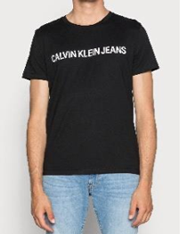 | CALVIN KLEIN JEANS | MAN | BLACK | 100% COTTON |  | 84 | 147 | 14 | 245 | 16 | 39.90 € | 9,775.50 €
 |  |  |  |  |  |  |  |  | 1,000 |  |  | 39,900.00 €

